工作表1
ouput dir | test set | batch size | best epoch | original val acc | best val acc | original val f1 | best val f1 | original val loss | val loss | test acc | test f1 | test loss | lr_last | hidden layer | "hidden_act": "gelu",
op0657 | renyun&Gordan created | 16 | 30 | 0.8564 | 0.918317 | 0.8595 | 0.918 | 0.6939 | 0.6353 | 0.7495 | 0.7497 | 0.7941 | 1.00E-03 | 12 | gelu
op0748 |  | 16 | 26 |  | 0.8738 |  | 0.8751 |  | 0.676 | 0.7594 | 0.7588 | 0.7864 | 1.00E-02 | 12 | gelu
op0829 |  | 16 | 5 |  | 0.737624 |  | 0.784912 |  | 0.8124 | 0.4694 | 0.5653 | 1.0821 | 1.00E-01 | 12 | gelu
op0857 |  | 16 | 9 |  | 0.903465 |  | 0.903828 |  | 0.6457 | 0.7396 | 0.7381 | 0.8001 | 1.00E-04 | 12 | gelu

op1949 |  |  |  |  |  |  |  |  |  |  |  |  |  | 10 | gelu

op1533 |  |  | 6 |  | 0.89604 |  | 0.89704 |  | 0.6555 | 0.7495 | 0.7508 | 0.797 | 1.00E-03 | 16 | gelu
op1730 |  | 12 | 15 |  | 0.85396 |  | 0.854916 |  | 0.698 | 0.7436 | 0.7418 | 0.8065 | 1.00E-03 | 18 | gelu
op1823 |  | 8 |  |  | 0.851485 |  | 0.852662 |  | 0.6995 | 0.7554 | 0.7561 | 0.7952 | 1.00E-03 | 20 | gelu
 |  | 8 | 22 |  | 0.878713 |  | 0.877819 |  | 0.674 | 0.7535 | 0.7521 | 0.7963 | 1.00E-03 | 14

op1743 |  | 16 | 13 | 0.794 | 0.865385 | 0.8014 | 0.867817 | 0.7453 | 0.6881 | 0.896 | 0.8965 | 0.6551 | 1.00E-03 | 12 | gelu
op1821 | test selected from 5000 | 16 | 9 |  | 0.807692 |  | 0.810328 |  | 0.7424 | 0.8787 | 0.8789 | 0.6703 |  |  | relu

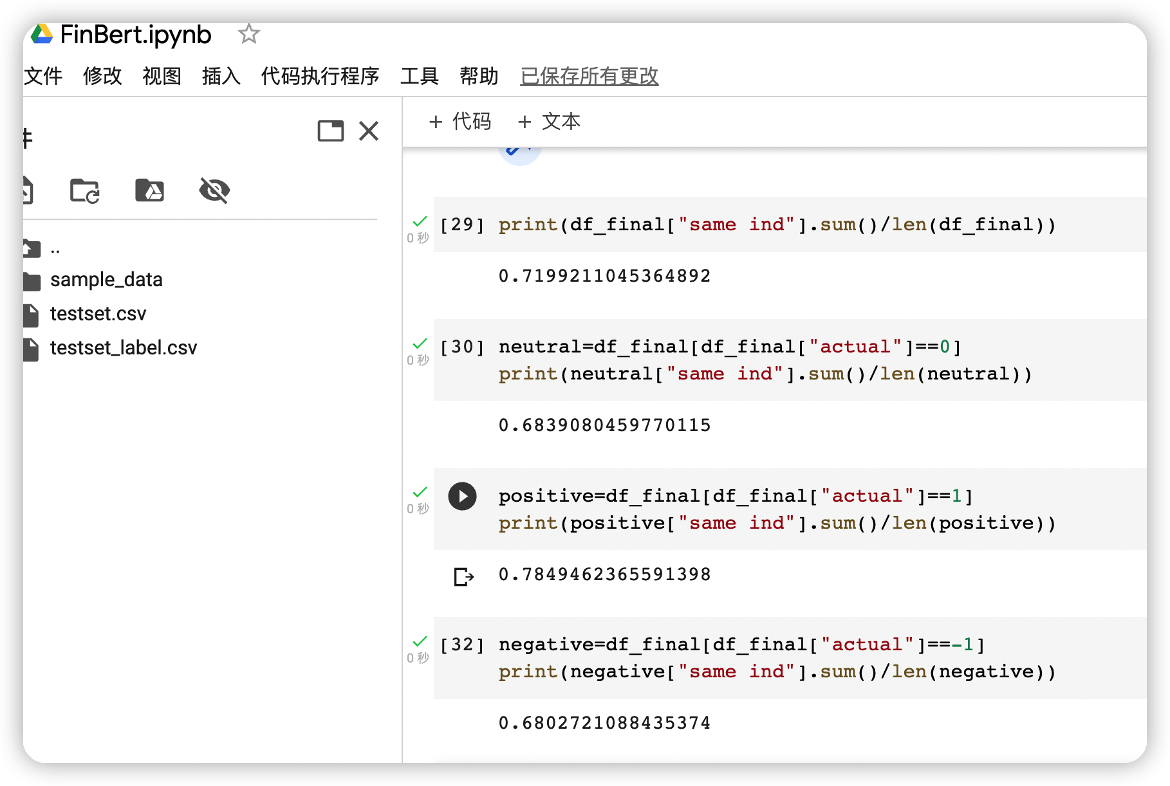
 | renyun&Gordan created |  | finbert fintuned baseline

